Sheet1
Software: |  | 100,000 points |  | 100,000 points

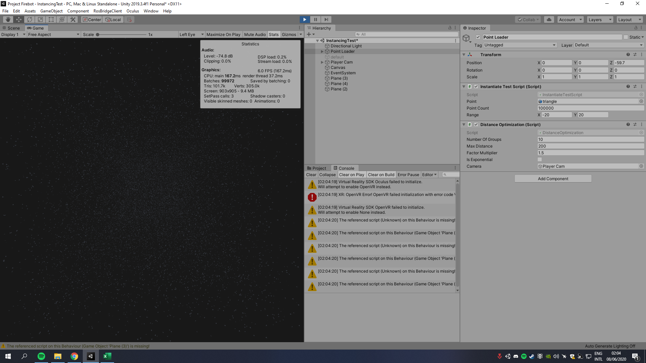

GPU: GTX 1080 Ti | Avg. | Non-optimized | Avg. | Optimized | Non-optimized | Optimized
CPU: i5-6700k | FPS: | 5,8 FPS | FPS: | 57,7 FPS
RAM: 16GB | CPU usage: | 45,8 % | CPU usage: | 49,8 %
 | GPU usage: | 18% | GPU usage: | 26%
Script parameters: | RAM: | 1200 MB | RAM: | 1,148 MB

Number of groups : 10 | #1 |  | #1
Max distance : 200 | FPS: | 6 FPS | FPS: | 58 FPS
Factor multiplier : 1,5 | CPU usage: | 46,8 % | CPU usage: | 50,5%
Is exponentinal : no | GPU usage: | 19,1 % | GPU usage: | 12,7%
 | RAM: | 1,200 MB | RAM: | 1,145 MB
New method
All time: | #2 |  | #2
100,000: 0:07 | FPS: | 6 FPS | FPS: | 58,5 FPS
1,000,000: 03:43 | CPU usage: | 45,3 % | CPU usage: | 51,8%
 | GPU usage: | 19,5 % | GPU usage: | 28,1%
Loading time: | RAM: | 1,200 MB | RAM: | 1,132 MB
100,000 : 0:05
1,000,000 : 0:34 (0:24) | #3 |  | #3
 | FPS: | 6 FPS | FPS: | 59 FPS
Optimizing time : | CPU usage: | 47,8 % | CPU usage: | 51,6 %
100,000 : 0:02 | GPU usage: | 19,2 % | GPU usage: | 28%
1,000,000 : 03:09 | RAM: | 1,200 MB | RAM: | 1,137 MB

 | #4 |  | #4
Old method | FPS: | 5,8 FPS | FPS: | 57 FPS
All time: | CPU usage: | 44,7 % | CPU usage: | 48,9 %
100,000: 0:10 | GPU usage: | 17,8 % | GPU usage: | 27,1 %
1,000,000: 07:39 | RAM: | 1,200 MB | RAM: | 1,140 MB

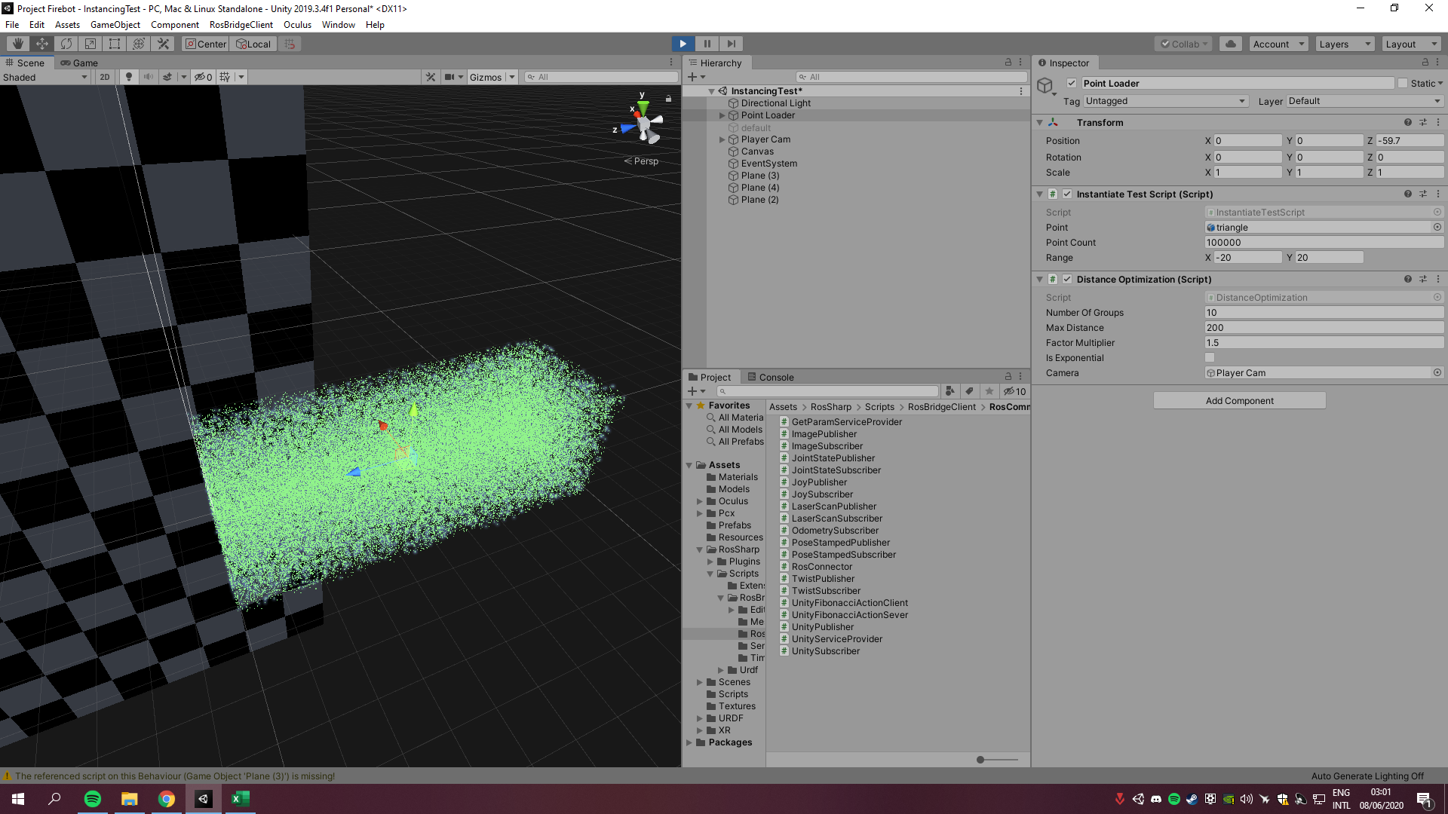
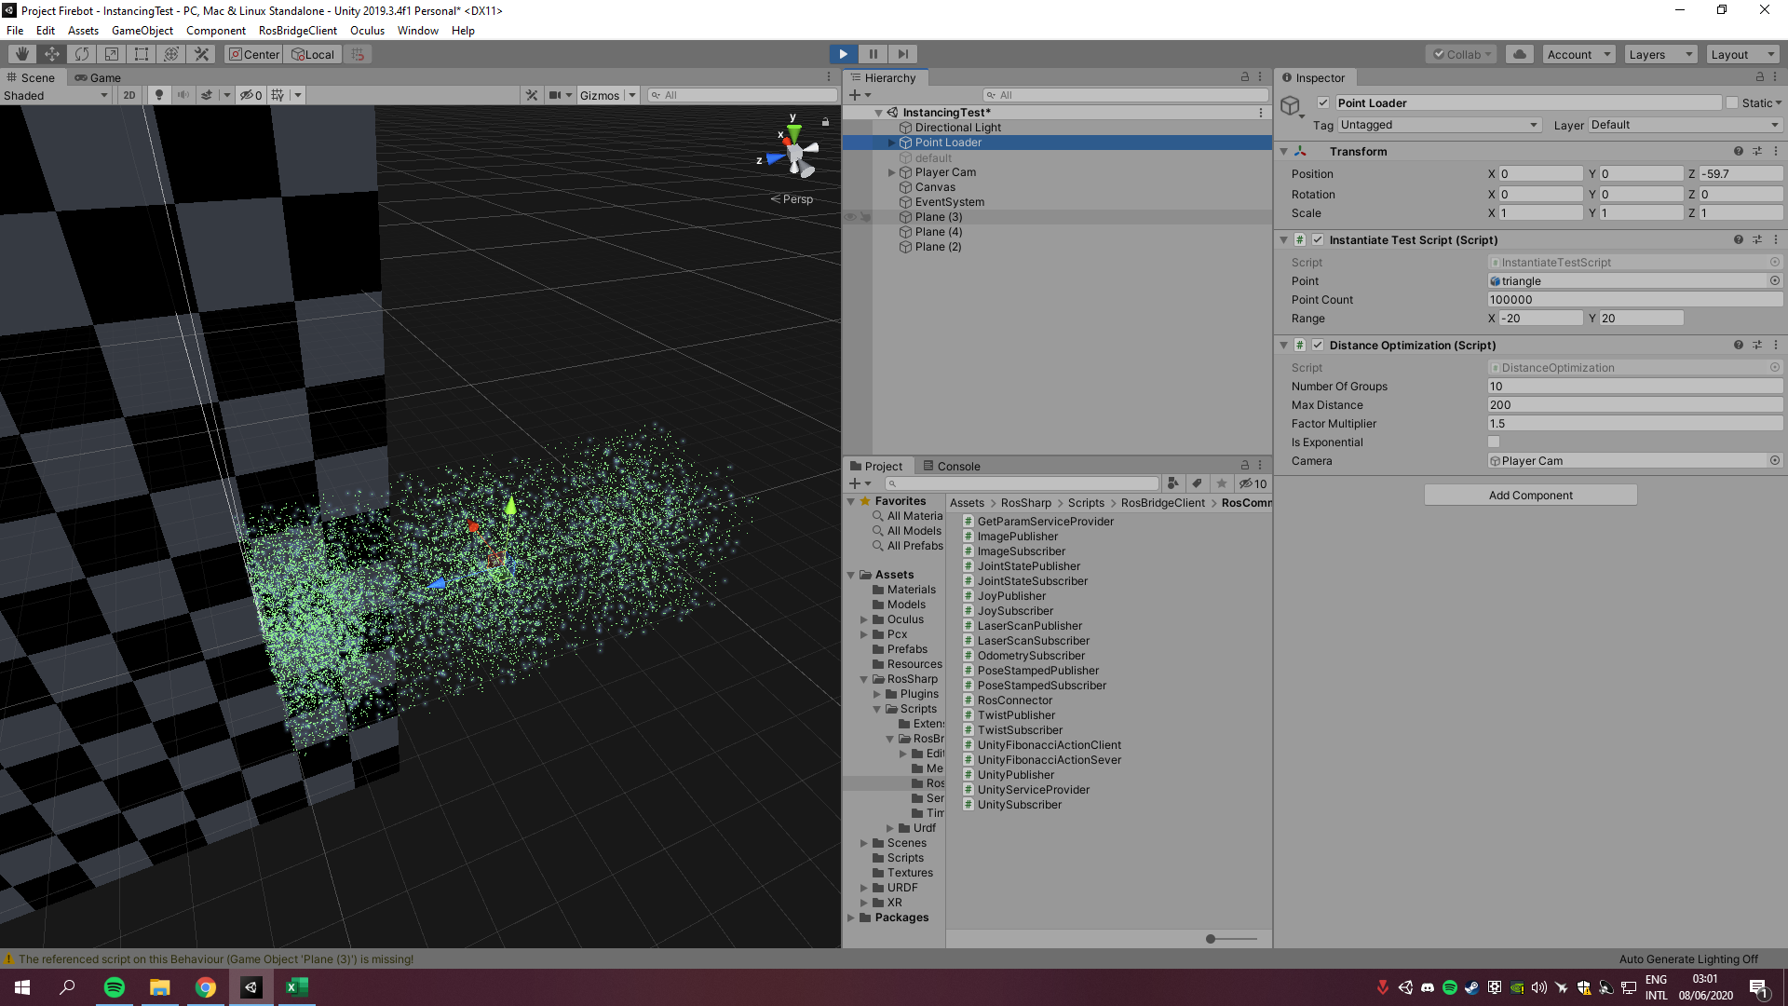
Loading time: | #5 |  | #5
100,000 : 0:07 | FPS: | 5,8 FPS | FPS: | 58 FPS
1,000,000 : 04:15 | CPU usage: | 45,5 % | CPU usage: | 49,6 %
 | GPU usage: | 17,8 % | GPU usage: | 27,4 %
Optimizing time : | RAM: | 1,200 MB | RAM: | 1,151 MB
100,000 : 0:03
1,000,000 : 03:24 | #6 |  | #6
 | FPS: | 5,8 FPS | FPS: | 56,4 FPS
 | CPU usage: | 45,5 % | CPU usage: | 49,2 %
 | GPU usage: | 17,1 % | GPU usage: | 26,9 %
 | RAM: | 1,200 MB | RAM: | 1,152 MB

 | #7 |  | #7
 | FPS: | 5,8 FPS | FPS: | 57,1 FPS
 | CPU usage: | 45,3 % | CPU usage: | 50,8 %
 | GPU usage: | 17, 5 % | GPU usage: | 27,2 %
 | RAM: | 1,200 MB | RAM: | 1,153 MB

 | #8 |  | #8
 | FPS: | 5,8 FPS | FPS: | 57,4 FPS
 | CPU usage: | 46,9 % | CPU usage: | 48,5 %
 | GPU usage: | 17,4 % | GPU usage: | 27,5 %
 | RAM: | 1,200 MB | RAM: | 1,159 MB

 | #9 |  | #9
 | FPS: | 5,8 FPS | FPS: | 56,7 FPS
 | CPU usage: | 44,7 % | CPU usage: | 48,7 %
 | GPU usage: | 17,7 % | GPU usage: | 27,5 %
 | RAM: | 1,200 MB | RAM: | 1,157 MB

 | #10 |  | #10
 | FPS: | 5,8 FPS | FPS: | 57,8 FPS
 | CPU usage: | 45,5 % | CPU usage: | 48,6 %
 | GPU usage: | 17,5 % | GPU usage: | 27,4 %
 | RAM: | 1,200 MB | RAM: | 1,152 MB

